issue 1
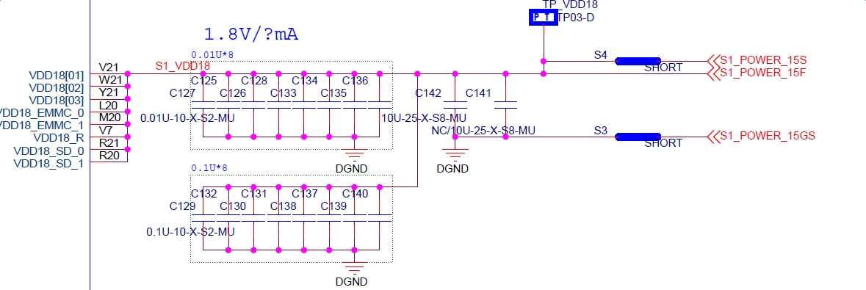
SD IO 1V8 power
For VDD18_EMMC_0/1 & VDD18_SD_0/1 power supply,
In the application note, the requirements shows as follows,

